Sheet1
 | Document No. |  | Issue No. | Issue Date |  | Review and Replace Date |  |  |  | Authorised By
 | GFF196MC |  | 1 | 14.09.2020 |  | New Issue |  |  |  | Magda Shah
 | Document Title |  | Vegetable Samosa 100g
Document amendments reason for change | New Document |  |  |  | Page 1 of 1 |  | Previous Issue Date |  | New Issue | Uncontrolled copy unless signed original

CVSAL-G6TEB |  | BOOTHS | Vegetable Samosa 100g
STEP 1 |  |  | STEP 2 |  |  |  |  | STEP 3
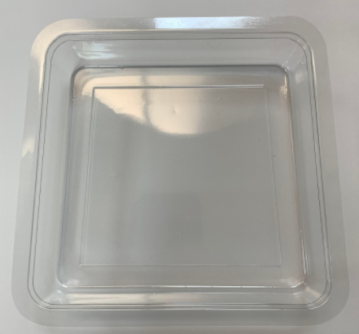 |  |  | 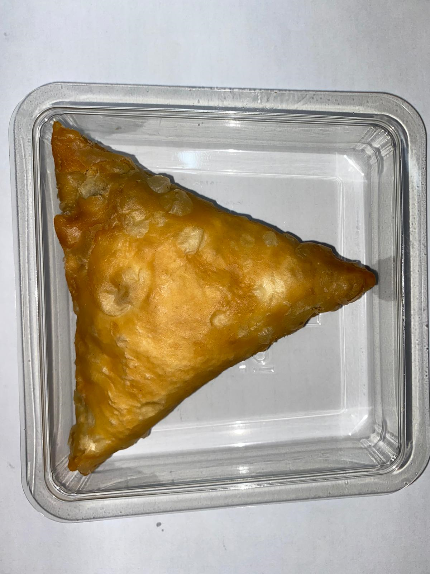 |  |  |  |  | 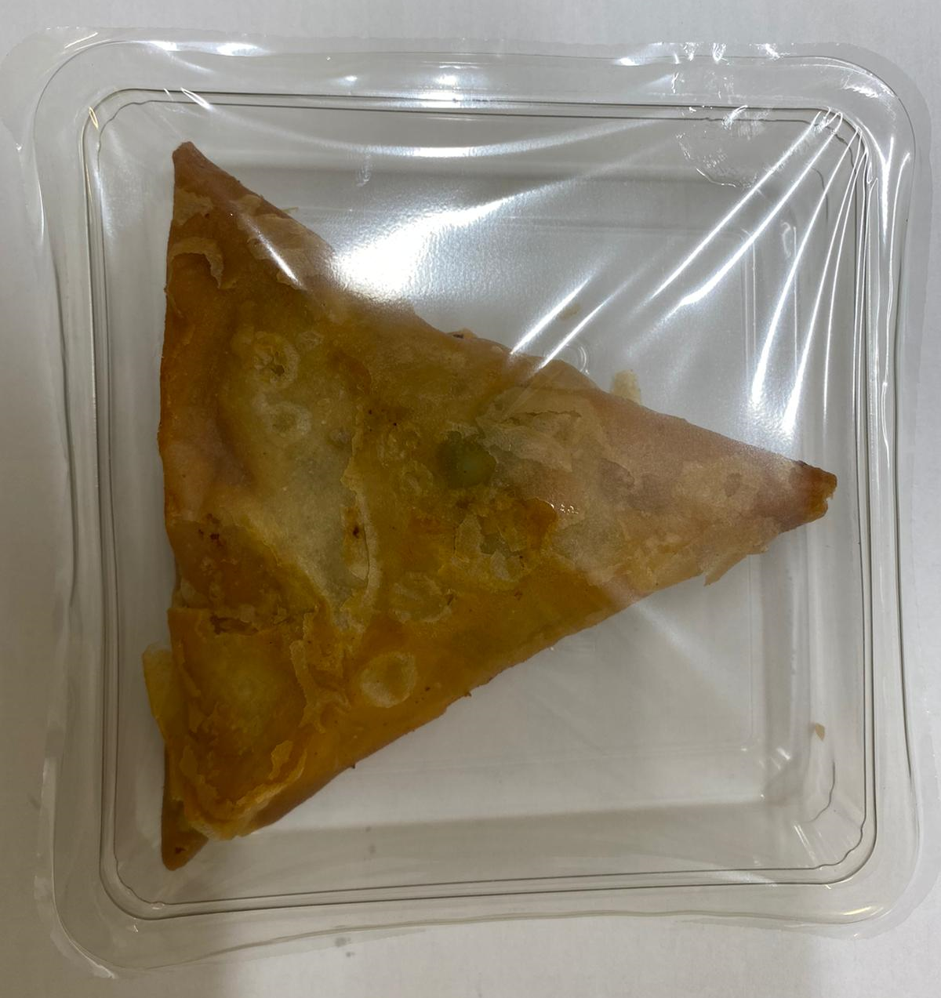

Tray: Trapezoid (PLAIN) (PKLEE001-02) |  |  | Vegetable Samosa Large (GFF003R): 100g (1 piece) |  |  |  |  | TOTAL WEIGHT: 100g
Line 1: Mylar 250LAF 250mm x 1000 (PKWRA001-08)
Line 2: Mylar 25OLAF - 380mm wide (PKWRA001-02)
ALLERGY ALERT: WHEAT

